Map
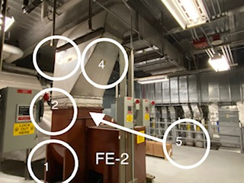

Survey No | INIS-110819-620
Date | 2019-11-07
Survey Tech | A. Peden/R. Florence
Count Room Tech | N/A
Date Counted | N/A
Survey Type | Characterization
Level of Posting | None
Comments

Map (2)
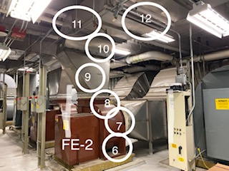

Survey No | INIS-110719-620
Date | 2019-11-07
Survey Tech | A. Peden/R. Florence
Count Room Tech | N/A
Date Counted | N/A
Survey Type | Characterization
Level of Posting | None
Comments

Map (3)
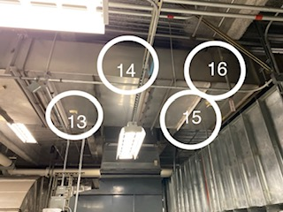

Survey No | INIS-110719-620
Date | 2019-11-07
Survey Tech | A. Peden/R. Florence
Count Room Tech | N/A
Date Counted | N/A
Survey Type | Characterization
Level of Posting | None
Comments

Map (4)
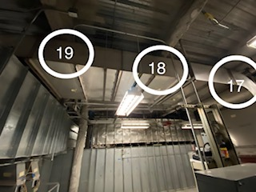

Survey No | INIS-110719-620
Date | 2019-11-07
Survey Tech | A. Peden/R. Florence
Count Room Tech | N/A
Date Counted | N/A
Survey Type | Characterization
Level of Posting | None
Comments

